SURYA CIPTA NIAGA BALI (Beef)
DATE | INV NO. | DESCRIPTIONS | QTY | BILLS | PRICE | SUBTOTAL | TOTAL | DUE DATE | STATUS
6-Feb-2026 | 2602/FK-0599 | BEEF MEAT | 5.02 | 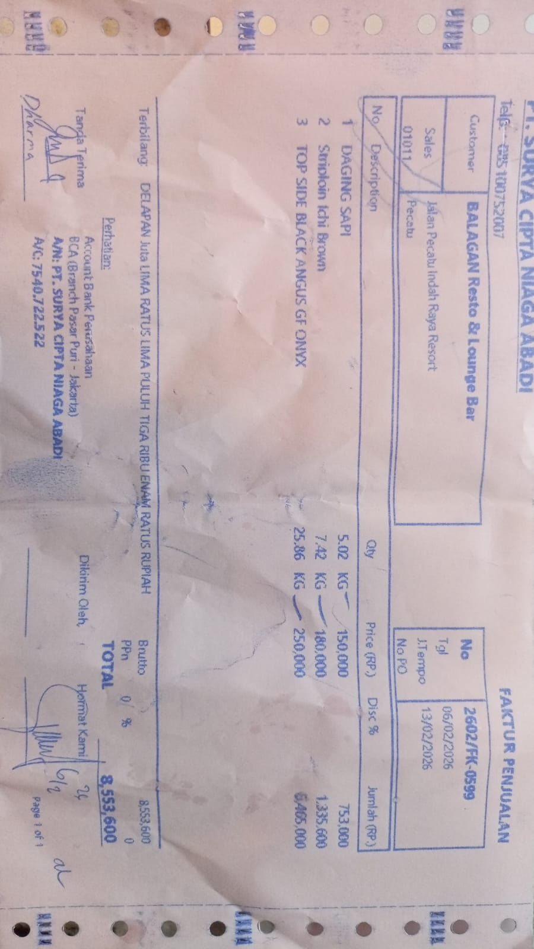 | Rp150,000 | Rp753,000 | Rp8,553,600 | 2026-02-13 | PAID
 |  | STRIPLOIN ICHI BROWN | 7.42 |  | Rp180,000 | Rp1,335,600
 |  | TOP SIDE BLACK ANGUS GF ONYX | 25.86 |  | Rp250,000 | Rp6,465,000
19-Feb-2026 | 2602/FK-1854 | STRIPLOIN ICHI BROWN | 17.77 | 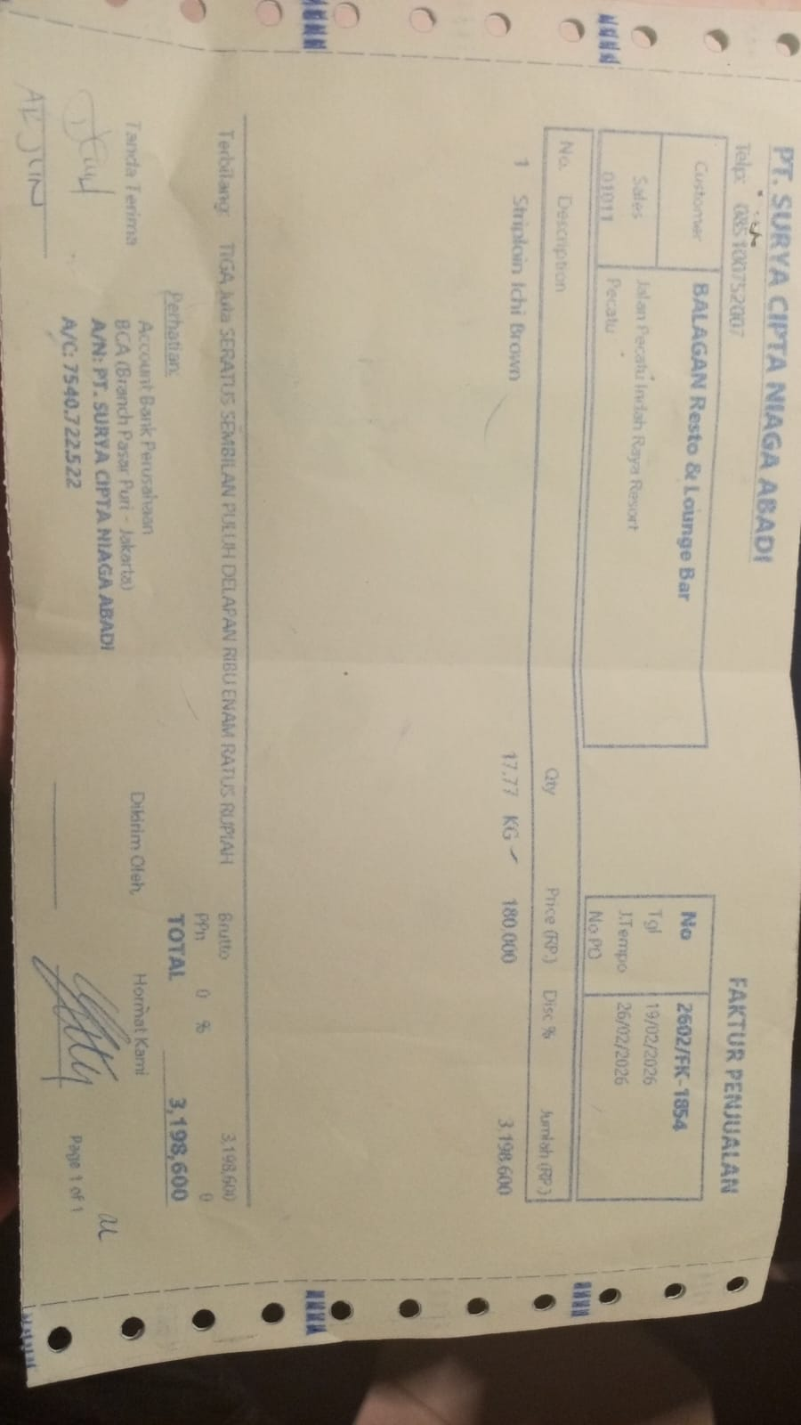 | Rp180,000 | Rp3,198,600 | Rp3,198,600 | 2026-02-26 | UNPAID
25-Feb-2026 | 2602/FK-2577 | TOP SIDE BLACK ANGUS GF ONYX | 12.4 | 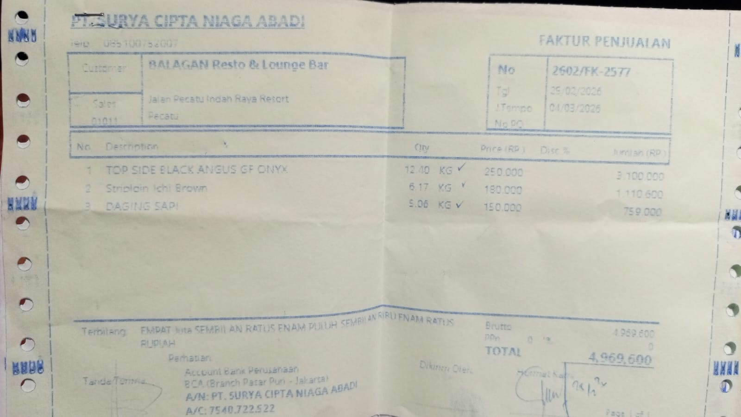 | Rp250,000 | Rp3,100,000 | Rp4,969,600 | 2026-03-04 | UNPAID
 |  | STRIPLOIN ICHI BROWN | 6.17 |  | Rp180,000 | Rp1,110,600
 |  | BEEF MEAT | 5.06 |  | Rp150,000 | Rp759,000

TOTAL |  |  |  |  |  | Rp8,168,200

